Home
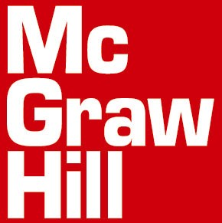
به نام ایزد یکتا
با سلام
احتراما ليست کتابهاي انتشارات (مک گروهيل وآی.بی.تاریس و پلوتو پرس ) دربیست ونهمین نما یشگاه بین المللی کتاب تهران به معرض نمايش گذاشته خواهد شد تقديم ميگردد.
کليه کتب با تخفيف 25% و 30% و 50% به فروش ميرسد. در بخش فهرست کتب تازه کتابهای مک گروهیل با تخفیف 30 % به فروش خواهد رسید.
محل برگزاري نمايشگاه : متعا قبا اعلا م خواهد شد .یا با تلفن 88275789 تماس حاصل فرمائید.
زمان : 15 الی 25 اردیبهشت 1395 و ساعت برای باز دید کنندگان 10 الی 19
در صورت نياز به اطلاعات بيشتر ميتوانيد با شماره تلفن هاي 88748554 و 88748342 و 88768267 تماس حاصل فرماييد.
در طول نمايشگاه مسئولين غرفه هاي مک گروهيل پاسخگوي شما خواهند بود.
برای دسترسی به کلیه کتابها ی مک گروهیل در نمایشگاه به آدرس www.mcgraw-hill.ir مراجعه فرمائید.
براي دسترسي به کليه ناشران شرکت کننده در نمايشگاه به آدرس سايت www.anjomannasheran.com مراجعه فرماييد.
.به دلیل نوسانات نرخ ارز تمامی قیمت ها به دلارذکر شده که پس ازاعلام نرخ دلار معادل ریالی محاسبه میگردد

order@mcgraw-hill.ir
behruzn@neda.net.ir
جهت جستجو، کاتالوگ مرتبط با موضوع مورد نظر خود را انتخاب کنید. لطفا به دسته بندی های صورت گرفته توجه فرمایید:
فهرست کلیه عناوین پزشکی
فهرست کلیه عناوین مهندسی
فهرست کلیه عناوین اقتصاد،مدیریت،حسابداری
فهرست کلیه عناوین علوم انسانی
فهرست کلیه عناوین علوم پایه
فهرست کلیه عناوین زبان و علوم تربیتی
فهرست کلیه عناوین تک نسخه ای
فهرست کلیه عناوین آی بی تاریس
فهرست کلیه عناوین جدید مک گروهیل در تمامی علوم

